Sheet1
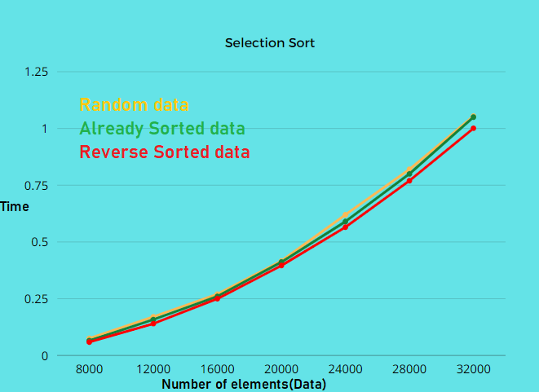
type of data\ size of data | 8000 | 12000 | 16000 | 20000 | 24000 | 28000 | 32000 | 100000
random data | 0.0707s | 0.1655s | 0.2668s | 0.4166s | 0.6165s | 0.8206s | 1.0542s | 10.287s
Already Sorted data | 0.0672s | 0.1494s | 0.2657s | 0.4115s | 0.5969s | 0.8091s | 1.0543s | 10.292s
Reverse Sorted data | 0.0645s | 0.1431s | 0.2579s | 0.3961s | 0.5720s | 0.7751s | 1.0098s | 9.9031s

